Start
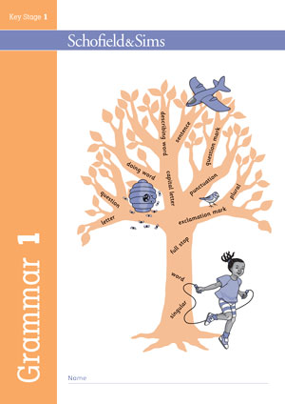
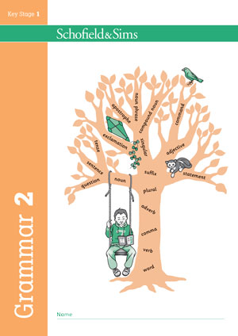
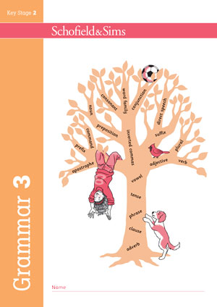
Complete the Learning pathways class chart to assess how far your pupils have progressed with the National Curriculum objectives for their year group.

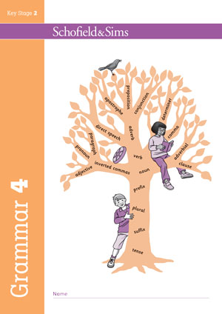
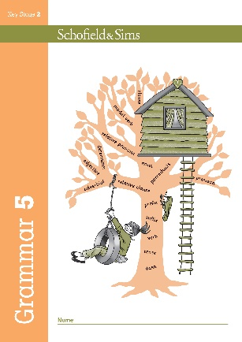
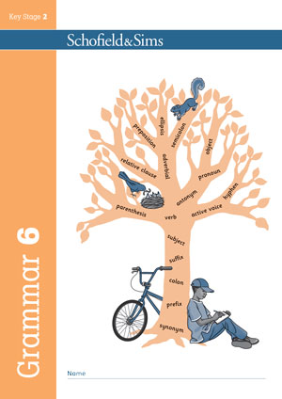

Click a book cover to jump to the relevant class chart, or use the tabs below.

Grammar 1
Enter a number to show depth of understanding.
Enter a number to show depth of understanding.

 |  |  | 1 | = Just beginning |  |  | 2 | = Progressing |  |  | 3 | = Learning is embedded

 | Objective | Pupils' names
 |  | Pupil 1 | Pupil 2 | Pupil 3 | Pupil 4 | Pupil 5 | Pupil 6 | Pupil 7 | Pupil 8 | Pupil 9 | Pupil 10 | Pupil 11 | Pupil 12 | Pupil 13 | Pupil 14 | Pupil 15 | Pupil 16 | Pupil 17 | Pupil 18 | Pupil 19 | Pupil 20 | Pupil 21 | Pupil 22 | Pupil 23 | Pupil 24 | Pupil 25 | Pupil 26 | Pupil 27 | Pupil 28 | Pupil 29 | Pupil 30
Punctuation pathway | Demarcate a single sentence with a capital letter and full stop.
 | Use capital letters for the names of people and ‘I’.
 | Use capital letters for the names of people, places, ‘I’ and the days of the week.
 | Use a question mark at the end of a question.
 | Use an exclamation mark where appropriate.
 | Demarcate at least three sentences with capital letters and full stops [or ‘?’ or ‘!’].

Grammar and sentence pathway | Say and write a single complete sentence.
 | Write a sentence leaving spaces between words.
 | Say and write ideas in complete sentences.
 | Use ‘and’ to join words or clauses in a sentence.
 | Write a sequence of sentences using words such as ‘then’ and ‘next’.
 | Use some simple describing words to add detail.

Grammar 2
Enter a number to show depth of understanding.
Enter a number to show depth of understanding.

 |  |  | 1 | = Just beginning |  |  | 2 | = Progressing |  |  | 3 | = Learning is embedded

 | Objective | Pupils' names
 |  | Pupil 1 | Pupil 2 | Pupil 3 | Pupil 4 | Pupil 5 | Pupil 6 | Pupil 7 | Pupil 8 | Pupil 9 | Pupil 10 | Pupil 11 | Pupil 12 | Pupil 13 | Pupil 14 | Pupil 15 | Pupil 16 | Pupil 17 | Pupil 18 | Pupil 19 | Pupil 20 | Pupil 21 | Pupil 22 | Pupil 23 | Pupil 24 | Pupil 25 | Pupil 26 | Pupil 27 | Pupil 28 | Pupil 29 | Pupil 30
Punctuation pathway | Use capital letters at the start of sentences.
 | Recognise and demarcate sentence boundaries with full stops.
 | Use question marks and exclamation marks to demarcate different sentence types.
 | Use capital letters for ‘I’ and all proper nouns [names of people, places, days of the week].
 | Use commas to separate items in a list.
 | Use apostrophes in shortened [contracted] forms.
 | Use apostrophes for [singular] possession.

Grammar and sentence pathway | Form sentences that are complete and correct.
 | Use the words ‘and’, ‘but’, ‘or’ to join clauses within sentences.
 | Use different sentence types as appropriate: command, question, exclamation, statement.
 | Use past or present tense consistently, including use of progressive forms.
 | Use words such as ‘because’, ‘if’, ‘when’, ‘that’ to add more to a sentence.
 | Use adjectives in expanded noun phrases to describe or specify.
 | Use adverbs where appropriate to describe how actions are performed.

Grammar 3
Enter a number to show depth of understanding.
Enter a number to show depth of understanding.

 |  |  | 1 | = Just beginning |  |  | 2 | = Progressing |  |  | 3 | = Learning is embedded

 | Objective | Pupils' names
 |  | Pupil 1 | Pupil 2 | Pupil 3 | Pupil 4 | Pupil 5 | Pupil 6 | Pupil 7 | Pupil 8 | Pupil 9 | Pupil 10 | Pupil 11 | Pupil 12 | Pupil 13 | Pupil 14 | Pupil 15 | Pupil 16 | Pupil 17 | Pupil 18 | Pupil 19 | Pupil 20 | Pupil 21 | Pupil 22 | Pupil 23 | Pupil 24 | Pupil 25 | Pupil 26 | Pupil 27 | Pupil 28 | Pupil 29 | Pupil 30
Punctuation pathway | Recognise and demarcate sentence boundaries with capital letters and full stops.
 | Use question marks and exclamation marks to demarcate different sentence types.
 | Use capital letters for ‘I’ and all proper nouns [names of people and places, days of the week].
 | Use commas to separate items in a list.
 | Use apostrophes in shortened [contracted] forms.
 | Use apostrophes for [singular] possession.
 | Use inverted commas and other punctuation to indicate direct speech.

Grammar and sentence pathway | Use different sentence types correctly: command, question, exclamation, statement.
 | Use the conjunctions ‘and’, ‘but’, ‘or’ to join ideas and create longer sentences.
 | Use past and present tense, including progressive and perfect verb forms.
 | Use a range of subordinating conjunctions to add more detail to a sentence.
 | Use adjectives and expanded noun phrases to describe, specify and give more detail.
 | Use adverbs and prepositions to add detail about where, when and how.
 | Use pronouns to avoid repetition.

Grammar 4
Enter a number to show depth of understanding.
Enter a number to show depth of understanding.

 |  |  | 1 | = Just beginning |  |  | 2 | = Progressing |  |  | 3 | = Learning is embedded

 | Objective | Pupils' names
 |  | Pupil 1 | Pupil 2 | Pupil 3 | Pupil 4 | Pupil 5 | Pupil 6 | Pupil 7 | Pupil 8 | Pupil 9 | Pupil 10 | Pupil 11 | Pupil 12 | Pupil 13 | Pupil 14 | Pupil 15 | Pupil 16 | Pupil 17 | Pupil 18 | Pupil 19 | Pupil 20 | Pupil 21 | Pupil 22 | Pupil 23 | Pupil 24 | Pupil 25 | Pupil 26 | Pupil 27 | Pupil 28 | Pupil 29 | Pupil 30
Punctuation pathway | Demarcate sentences with capital letters, full stops, question marks and exclamation marks.
 | Use capital letters for ‘I’ and proper nouns.
 | Use commas to separate items in a list.
 | Use apostrophes in contractions.
 | Use apostrophes for singular and plural possession, but not with plural –s.
 | Use inverted commas and other punctuation to indicate direct speech.
 | Use commas after fronted adverbials.
 | Use commas before question tags.

Grammar and sentence pathway | Write grammatically correct sentences, using Standard English verbs.
 | Vary sentence forms as appropriate: command, question, exclamation, statement.
 | Use tense accurately, including progressive and perfect forms.
 | Use conjunctions to write sentences with more than one clause.
 | Use expanded noun phrases to add detail, using adjectives and prepositional phrases.
 | Use adverbials to add detail about where, when, how and why.
 | Use pronouns accurately and consistently to avoid repetition.
 | Vary sentence openings by fronting adverbials.

Grammar 5
Enter a number to show depth of understanding.
Enter a number to show depth of understanding.

 |  |  | 1 | = Just beginning |  |  | 2 | = Progressing |  |  | 3 | = Learning is embedded

 | Objective | Pupils' names
 |  | Pupil 1 | Pupil 2 | Pupil 3 | Pupil 4 | Pupil 5 | Pupil 6 | Pupil 7 | Pupil 8 | Pupil 9 | Pupil 10 | Pupil 11 | Pupil 12 | Pupil 13 | Pupil 14 | Pupil 15 | Pupil 16 | Pupil 17 | Pupil 18 | Pupil 19 | Pupil 20 | Pupil 21 | Pupil 22 | Pupil 23 | Pupil 24 | Pupil 25 | Pupil 26 | Pupil 27 | Pupil 28 | Pupil 29 | Pupil 30
Punctuation pathway | Demarcate sentences with capital letters, full stops, question marks and exclamation marks.
 | Use capital letters for ‘I’ and proper nouns.
 | Use commas to separate items in a list.
 | Use apostrophes for singular and plural possession and in contractions.
 | Use inverted commas and other punctuation to indicate direct speech.
 | Use commas to separate phrases and clauses and avoid ambiguity.
 | Use brackets, commas or dashes to mark parenthesis.

Grammar and sentence pathway | Write grammatically correct sentences that show variation and use Standard English.
 | Use tense accurately, including progressive and perfect forms.
 | Use co-ordinating and subordinating conjunctions to write sentences with more than one clause.
 | Use expanded noun phrases to add detail.
 | Use adverbials to add detail, make links and vary sentence openings.
 | Use pronouns to avoid repetition.
 | Use relative clauses to clarify and explain.

Grammar 6
Enter a number to show depth of understanding.
Enter a number to show depth of understanding.

 |  |  | 1 | = Just beginning |  |  | 2 | = Progressing |  |  | 3 | = Learning is embedded

 | Objective | Pupils' names
 |  | Pupil 1 | Pupil 2 | Pupil 3 | Pupil 4 | Pupil 5 | Pupil 6 | Pupil 7 | Pupil 8 | Pupil 9 | Pupil 10 | Pupil 11 | Pupil 12 | Pupil 13 | Pupil 14 | Pupil 15 | Pupil 16 | Pupil 17 | Pupil 18 | Pupil 19 | Pupil 20 | Pupil 21 | Pupil 22 | Pupil 23 | Pupil 24 | Pupil 25 | Pupil 26 | Pupil 27 | Pupil 28 | Pupil 29 | Pupil 30
Punctuation pathway | Use commas to mark clauses or phrases and to clarify meaning. |  |  |  |  | 8
 | Use inverted commas and other punctuation to indicate direct speech.
 | Use apostrophes for contractions and possession.
 | Use brackets, dashes, commas to indicate parenthesis.
 | Use colons, semicolons, commas in sentences with lists.
 | Punctuate bullet points consistently.
 | Use hyphens to avoid ambiguity.
 | Use colons, semicolons, dashes between main clauses.

Grammar and sentence pathway | Use Standard English and formal/informal language as appropriate.
 | Vary sentence types, openings, lengths.
 | Use verb tenses accurately, including progressive and perfect forms.
 | Use expanded noun phrases for description and concision, and adverbials to add detail.
 | Use a variety of relative clauses to clarify and explain.
 | Use pronouns for clarity and cohesion.
 | Use the passive voice to change or maintain focus.
 | Use modal verbs and adverbs for shades of meaning.

